Sheet1
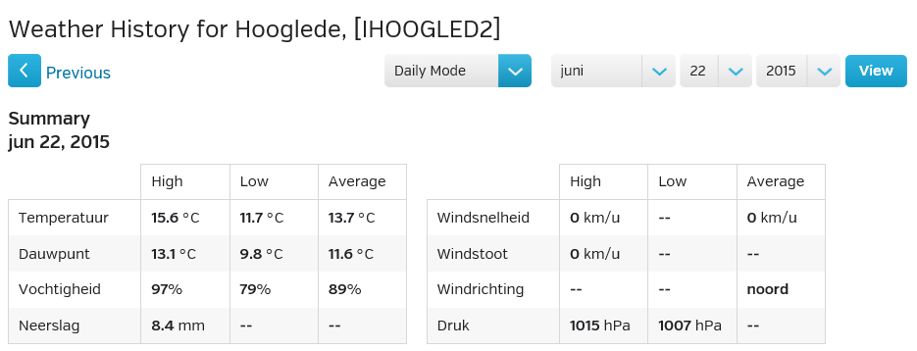
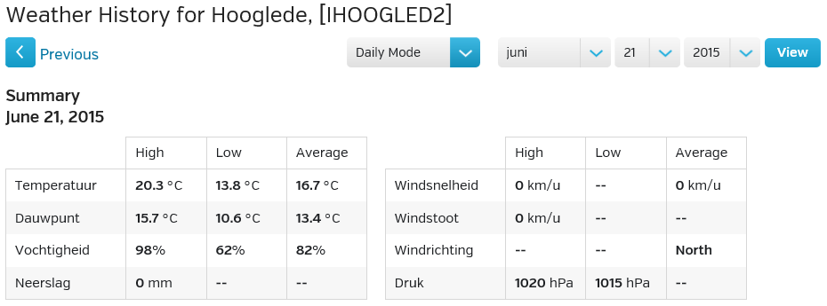
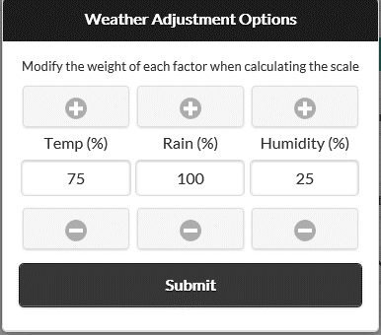
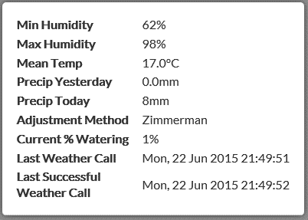
 |  |  |  |  |  |  | Zimmerman Factor | Weight | Zimmerman Factor (2.1.5 update)
Min Humidity | 62 | % |  |  |  | Humidity | -50.00% | 25% | -12.50%
Max Humidity | 98 | %
Mean Temp | 17.0 | °C | = | 63 | °F | Temp | -28.00% | 75% | -21.00%
Precip Yesterday | 0.0 | mm | = | 0.00 | inch
Precip Today | 8.0 | mm | = | 0.31 | inch | Rain | -62.00% | 100% | -62.00%
 |  |  |  |  |  |  | -40% |  | 4%

Source: | https://github.com/rszimm/sprinklers_pi/wiki/Weather-adjustments

